1. Title Page
[Project Name]

Project Name: Instacart Basket Analysis
Date: 2023/03/24
Analyst Name: Bouttia Oshrieh

Contents:
Population Flow
Consistency checks
Wrangling steps
Column derivations
Visualizations
Recommendations

Data Source & Citations:

"The Instacart Online Grocery Shopping Dataset 2017"
Customer Dataset
Data Dictionary

Citation: “The Instacart Online Grocery Shopping Dataset 2017"

Accessed from https://www.instacart.com/datasets/grocery-shopping-2017 on <2022-2023>

2. Population Flow
Title page

Population flow

Exclusion flag
Condition: max_order < 5
Obervations to be removed: 'First_Name' and 'Surnam' columns (PII data)
Final total count of order_products_all: 32,404,859

Orders_products_combined
Orders_products_merged
Orders_products_all

Total: 32,404,859
Total: 32,640,698
Total: 32,404,859

1.) The grey boxes in the first row of the population flow represent the original data sets as they were when you downloaded them. In the Total fields you need to add the count of the rows when you imported the data set into Jupyter.
2.) The second row of boxes (coloured) represents the data sets after you manipulated them, e.g., removed missing values and duplicates. In the Total fields you need to add the count of the rows after conducting these operations. This offers a visual oveview of how the data flows throughout the data consistency checks.
3.) The third row, where also the arrows are coloured, represents the merges you performed between the datasets. In the Total fields you need to add the count of the rows in the merged datasets, so that you end up with the final dataset (in the red box). Keep in mind the final dataset should be without exclusions (based on the exclusion flag).

3. Consistency checks
 |  |  |  | Title page
Consistency checks

Dataset | Missing values | Missing values treatment | Duplicates
orders | 206209 in 'days_since_prior_order' | Left untouched (validated using crosstab function) | None
products | 16 in 'product_name' | Created a new dataset without the missing values | 5
orders_products_prior | None | None | None
customers | None | None | None

4. Wrangling steps
 |  |  |  | Title page
Wrangling steps

Columns dropped | Columns renamed | Columns' type changed | Comment/Reason
['eval_set'] |  |  | contained irrelevant data.
 | rename 'order_dow' to 'orders_day_of_week' |  | more intuitive
 | 'Gender' to 'gender' |  | more intuitive
 | 'STATE' to 'state' |  | more intuitive
 | 'AGE' to 'age' |  | more intuitive
 | n_dependants' to 'number_of_dependents' |  | more intuitive
 | fam_status' to 'family_status' |  | more intuitive
 |  | order_id' from integer to string | IDs do cannot be considered numerical data.
 |  | user_id' from integer to string | IDs do cannot be considered numerical data.

5. Column derivations
 |  |  |  | Title page

Column derivations and aggregations

In this tab you should add tables below that the frequences of flags/label variables that you produced after deriving them. NB: don't do this for continuous variables, only for flags.
Dataset | New column | Column/s it was derived from | Conditions
orders_products_merged_new.pkl | busiest_day | orders_day_of_week | ' 'Busiest day' = 0 'Least busy' = 4 'Regularly busy' = other days
orders_products_merged_new.pkl | busiest_days | orders_day_of_week | 'two busiest days' = 0,1 'two slowest days' = 3,4 'Regularly busy days' = other days
orders_products_merged_new.pkl | price_label | prices | 'Low-range product' <=$5 'Mid-range product' >$5 & <=$15 'High-range' > $15
orders_products_merged_new.pkl | busiest_period_of_day | order_hour_of_day | 'Most orders' >=9 & <=17 'Fewest Orders' <=6 'Average Orders' = other hours
orders_products_merged_new.pkl | max_order | order_number (grouped by user_id) | maximum order number for the customer
orders_products_merged_final.pkl | loyalty_flag | max_order | 'Loyal customer' => 40 orders, 'Regular customer' < 40 & > 10 orders, 'New customer' <=10 orders
orders_products_merged_final.pkl | avg_price | prices (grouped by user_id) | average price of products the customer purchased
orders_products_merged_final.pkl | spending_flag | avg_price | 'Low spender' <10 $ 'High spender' >=10$
orders_products_customers_loyal.pkl | region | state | Northeast : ['New Hampshire', 'Maine', 'Massachusetts', 'Vermont', 'Rhode Island', 'Connecticut', 'New York', 'Pennsylvania', 'New Jersey']
 |  |  | Midwest: ['Wisconsin', 'Michigan', 'Illinois', 'Indiana','Ohio', 'North Dakota', 'South Dakota', 'Nebraska', 'Kansas', 'Minnesota' ,'Iowa', 'Missouri']
 |  |  | South: ['Delaware', 'Maryland', 'District of Columbia','Virginia','West Virginia','North Carolina','South Carolina','Georgia','Florida','Kentucky'
 |  |  | Tennessee','Mississippi','Alabama', 'Oklahoma','Texas','Arkansas','Louisiana']
 |  |  | West: ['Idaho','Montana','Wyoming','Nevada','Utah','Colorado','Arizona','New Mexico', 'Alaska','Washington','Oregon','California','Hawaii']
orders_products_customers.pkl | age_category | age | Young' => 18 to 40 , 'Middle age' => 40 to 60 , 'Senior' => over 60
orders_products_customers.pkl | exclusion flag | max_order | low-activity' with max_order < 5, 'high-activity' with max_order >= 5
orders_products_customers.pkl | income_flag | income | Low' < 60000, 60000 < 'Average'<120000, 'High'>120000
orders_products_customers.pkl | family_income_profile | family_status and income | high_income married ', 'average_income married', 'low_income married', 'high_income single', 'average_income single', 'low_income single',…
orders_products_customers.pkl | age_family_profile | age and family status | Young single', 'Young married', Young divorced/widowed', 'Young living with parents/siblings', 'Senior single', 'Senior married, 'Middle age single',…

6. Visuals & Recommendations
 |  |  |  |  |  |  |  |  |  |  | Title page

Visualisations and Recommendations

1. The sales team needs to know what the busiest days of the week and hours of the day are (i.e., the days and times with the most orders) in order to schedule ads at times when there are fewer orders.

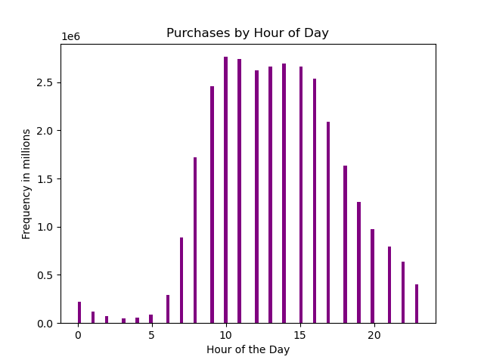


 | The frequency of orders reaches its peak and stays high between 9am and 4pm.
 | Saturdays and Sundays have the highest number of orders, while the least number of orders occur in Tuesdays and Wednesdays.

They also want to know whether there are particular times of the day when people spend the most money, as this might inform the type of products they advertise at these times.

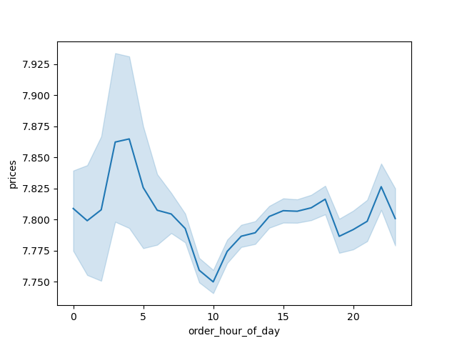
Price Development in a Day

 | Customers tend to purchase more expensive products between 3 to 4am and most low_priced products are purchased between 9 and 10am.

Instacart has a lot of products with different price tags. Marketing and sales want to use simpler price range groupings to help direct their efforts.

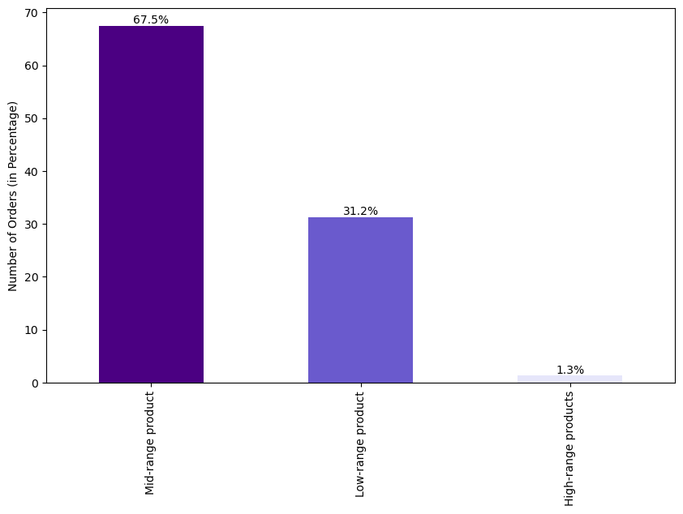

 |  |  |  |  |  | The highest number of purchases are for mid-range products which cost between $5 to$ 15.
 |  |  |  |  |  | Low-range products which cost less than $5 are the second most ordered products which makes the products
 |  |  |  |  |  | higher than $15 the least-sold products among all three categories.

Are there certain types of products that are more popular than others? The marketing and sales teams want to know which departments have the highest frequency of product orders.

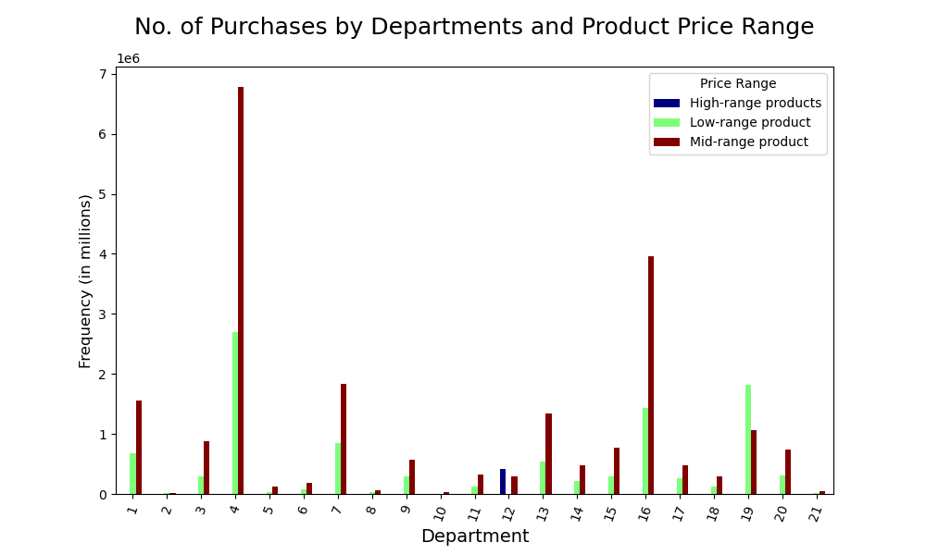

 |  |  |  |  |  |  | department_id | department
 |  |  |  |  |  |  | 1 | frozen
 |  |  |  |  |  |  | 2 | other
 |  |  |  |  |  |  | 3 | bakery
 |  |  |  |  |  |  | 4 | produce
 |  |  |  |  |  |  | 5 | alcohol
 |  |  |  |  |  |  | 6 | international
 |  |  |  |  |  |  | 7 | beverages
 |  |  |  |  |  |  | 8 | pets
 |  |  |  |  |  |  | 9 | dry goods pasta
 |  |  |  |  |  |  | 10 | bulk
 |  |  |  |  |  |  | 11 | personal care
 |  |  |  |  |  |  | 12 | meat seafood
 |  |  |  |  |  |  | 13 | pantry
 |  |  |  |  |  |  | 14 | breakfast
 |  |  |  |  |  |  | 15 | canned goods
 |  |  |  |  |  |  | 16 | dairy eggs
 |  |  |  |  |  |  | 17 | household
 |  |  |  |  |  |  | 18 | babies
 |  |  |  |  |  |  | 19 | snacks
 |  |  |  |  |  |  | 20 | deli
 |  |  |  |  |  |  | 21 | missing
Products between $5 to $15 in 'produce' and 'dairy eggs' departments have the highest sales.

What’s the distribution among users in regards to their brand loyalty (i.e., how often do they return to Instacart)?

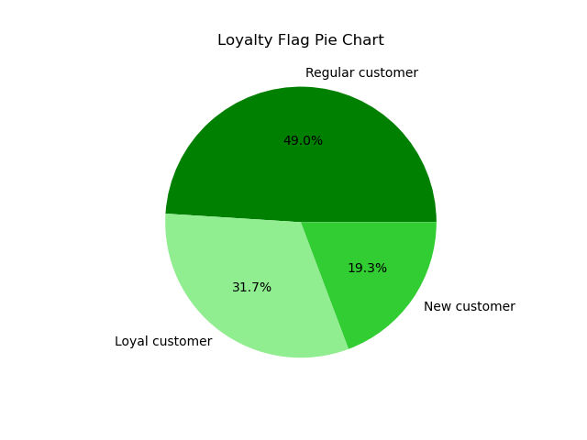

 |  |  |  |  | Cutomers with 10 to 40 orders (regular) make up 49% of our current total customer base. 31.7% of customers are loyal customers with more than 40 orders .
 |  |  |  |  | We assume that customers with less than 10 orders are new, and they represent 19.3% of our customer base.

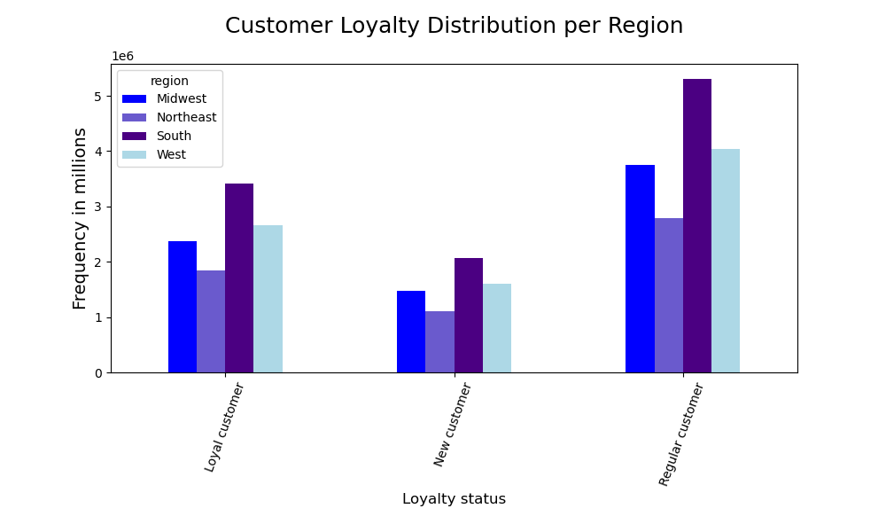

 |  |  |  |  |  | Majority of all loyal, new, and regular customers are from South region.
 |  |  |  |  |  | We have the least number of customers from all groups in Northeast region.

Are there differences in ordering habits based on a customer’s loyalty status?

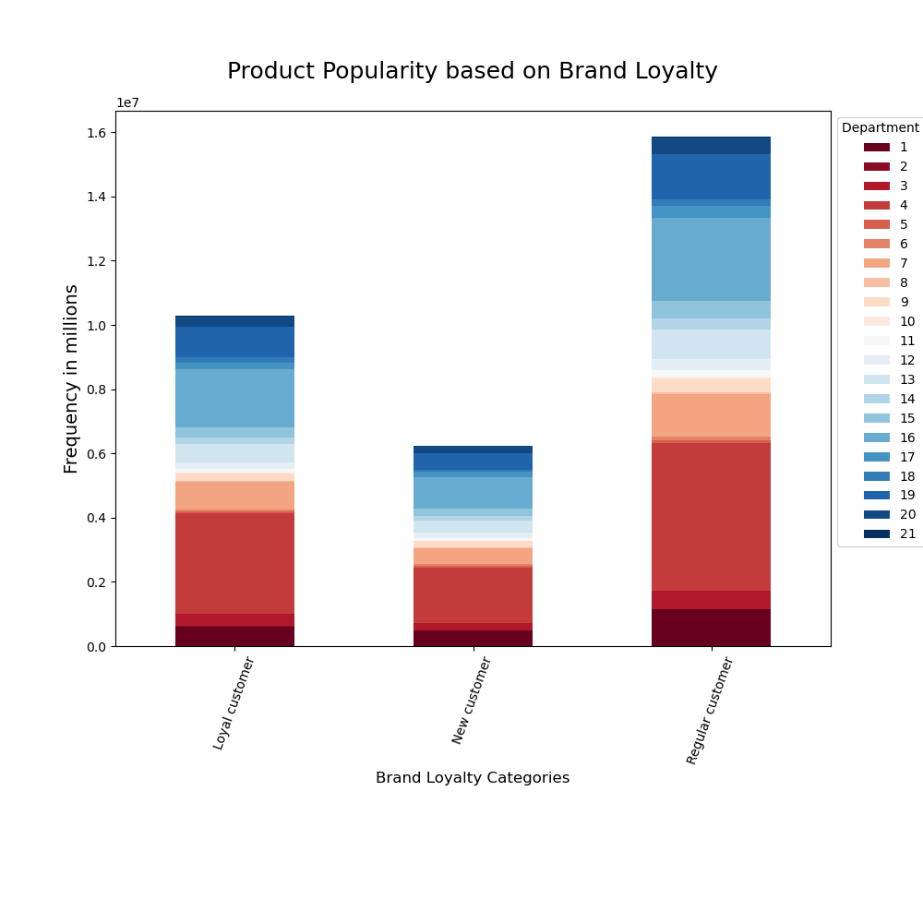

 |  |  |  |  |  |  |  |  | department_id | department
 |  |  |  |  |  |  |  |  | 1 | frozen
 |  |  |  |  |  |  |  |  | 2 | other
 |  |  |  |  |  |  |  |  | 3 | bakery
 |  |  |  |  |  |  |  |  | 4 | produce
 |  |  |  |  |  |  |  |  | 5 | alcohol
 |  |  |  |  |  |  |  |  | 6 | international
 |  |  |  |  |  |  |  |  | 7 | beverages
 |  |  |  |  |  |  |  |  | 8 | pets
 |  |  |  |  |  |  |  |  | 9 | dry goods pasta
 |  |  |  |  |  |  |  |  | 10 | bulk
 |  |  |  |  |  |  |  |  | 11 | personal care
 |  |  |  |  |  |  |  |  | 12 | meat seafood
 |  |  |  |  |  |  |  |  | 13 | pantry
 |  |  |  |  |  |  |  |  | 14 | breakfast
 |  |  |  |  |  |  |  |  | 15 | canned goods
 |  |  |  |  |  |  |  |  | 16 | dairy eggs
 |  |  |  |  |  |  |  |  | 17 | household
 |  |  |  |  |  |  |  |  | 18 | babies
 |  |  |  |  |  |  |  |  | 19 | snacks
 |  |  |  |  |  |  |  |  | 20 | deli
 |  |  |  |  |  |  |  |  | 21 | missing

 |  | Regular customers make about almost half of the purchases alone which is about 29.7% more than new customers and 17.3% more than loyal customers.
 |  | Products of 'produce' and 'diary eggs' departments are the most ordered products by all groups.
 |  | All products are almost equally popular among all categories of our customers relative to each group's contribution to total orders.

Is there a connection between age and family status in terms of ordering habits?

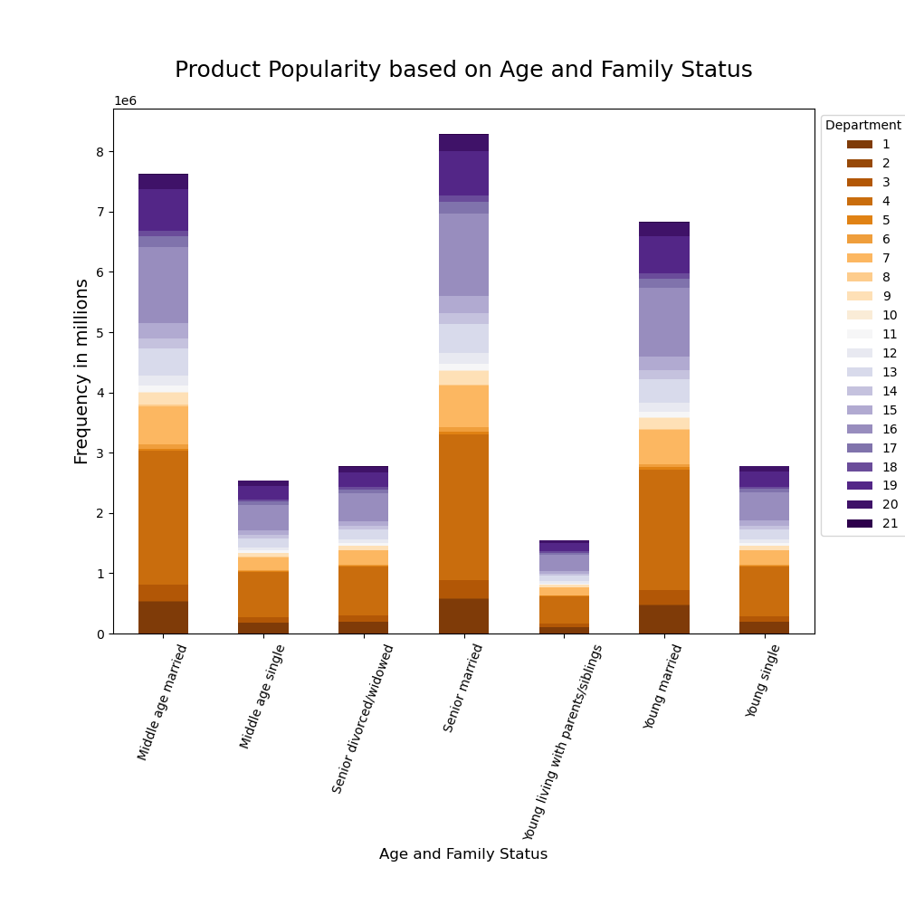

 |  |  |  |  |  |  |  |  | department_id | department
 |  |  |  |  |  |  |  |  | 1 | frozen
 |  |  |  |  |  |  |  |  | 2 | other
 |  |  |  |  |  |  |  |  | 3 | bakery
 |  |  |  |  |  |  |  |  | 4 | produce
 |  |  |  |  |  |  |  |  | 5 | alcohol
 |  |  |  |  |  |  |  |  | 6 | international
 |  |  |  |  |  |  |  |  | 7 | beverages
 |  |  |  |  |  |  |  |  | 8 | pets
 |  |  |  |  |  |  |  |  | 9 | dry goods pasta
 |  |  |  |  |  |  |  |  | 10 | bulk
 |  |  |  |  |  |  |  |  | 11 | personal care
 |  |  |  |  |  |  |  |  | 12 | meat seafood
 |  |  |  |  |  |  |  |  | 13 | pantry
 |  |  |  |  |  |  |  |  | 14 | breakfast
 |  |  |  |  |  |  |  |  | 15 | canned goods
 |  |  |  |  |  |  |  |  | 16 | dairy eggs
 |  |  |  |  |  |  |  |  | 17 | household
 |  |  |  |  |  |  |  |  | 18 | babies
 |  |  |  |  |  |  |  |  | 19 | snacks
 |  |  |  |  |  |  |  |  | 20 | deli
 |  |  |  |  |  |  |  |  | 21 | missing

 | Products from 'produce' and 'diary eggs' departments are the most popular products among people from all categories of age and family status.
 | Married adults from all age groups have the highest number of orders among all categories. They are also the only group who purchase 'babies' products. Products of 'beverages' department are also popular among these groups.

Are there differences in ordering habits based on a customer’s region?

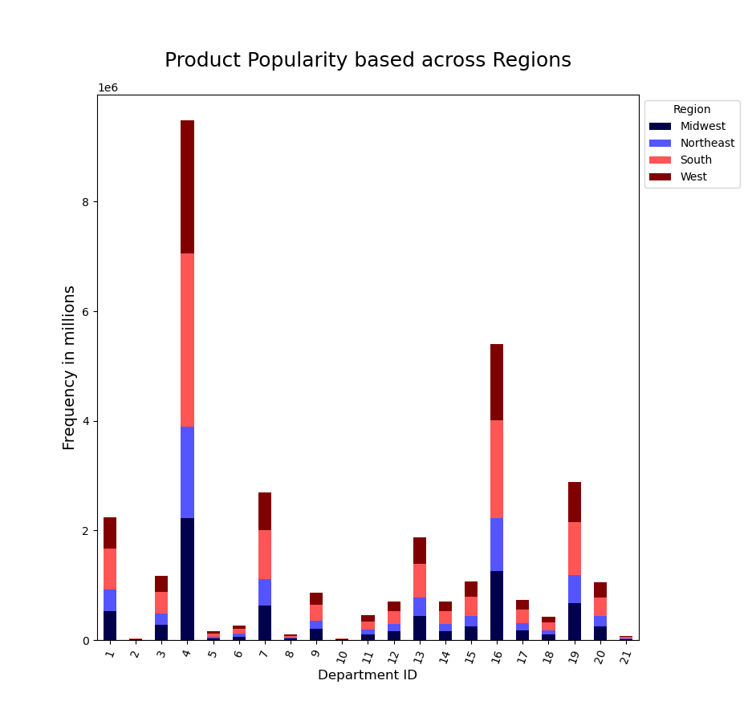

 |  |  |  |  |  |  |  |  |  |  |  | department_id | department
 |  |  |  |  |  |  |  |  |  |  |  | 1 | frozen
 |  |  |  |  |  |  |  |  |  |  |  | 2 | other
 |  |  |  |  |  |  |  |  |  |  |  | 3 | bakery
 |  |  |  |  |  |  |  |  |  |  |  | 4 | produce
 |  |  |  |  |  |  |  |  |  |  |  | 5 | alcohol
 |  |  |  |  |  |  |  |  |  |  |  | 6 | international
 |  |  |  |  |  |  |  |  |  |  |  | 7 | beverages
 |  |  |  |  |  |  |  |  |  |  |  | 8 | pets
 |  |  |  |  |  |  |  |  |  |  |  | 9 | dry goods pasta
 |  |  |  |  |  |  |  |  |  |  |  | 10 | bulk
 |  |  |  |  |  |  |  |  |  |  |  | 11 | personal care
 |  |  |  |  |  |  |  |  |  |  |  | 12 | meat seafood
 |  |  |  |  |  |  |  |  |  |  |  | 13 | pantry
 |  |  |  |  |  |  |  |  |  |  |  | 14 | breakfast
 |  |  |  |  |  |  |  |  |  |  |  | 15 | canned goods
 |  |  |  |  |  |  |  |  |  |  |  | 16 | dairy eggs
 |  |  |  |  |  |  |  |  |  |  |  | 17 | household
 |  |  |  |  |  |  |  |  |  |  |  | 18 | babies
 |  |  |  |  |  |  |  |  |  |  |  | 19 | snacks
 |  |  |  |  |  |  |  |  |  |  |  | 20 | deli
 |  |  |  |  |  |  |  |  |  |  |  | 21 | missing

 |  |  | Since we have a larger customer base in South and West, we get the most number of orders of all product departments from these regions.
 |  |  | Popular products are from 'produce', 'dairy eggs', 'snacks', and 'beverages' departments.

What different classifications does the demographic information suggest? Age? Income? Certain types of goods? Family status?

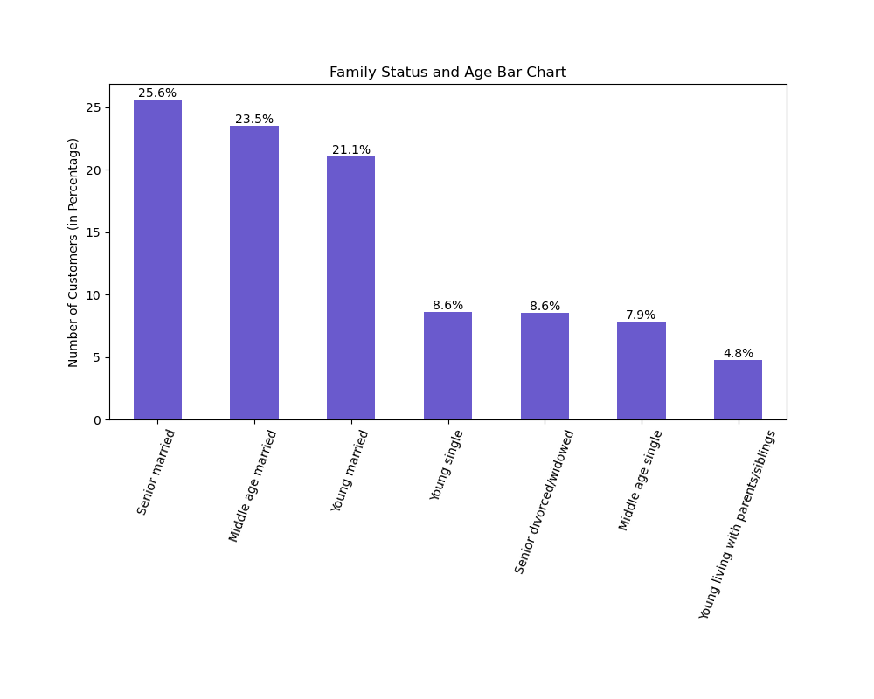

 | age_family_profile | price mean | product_mode | total_sales
 | Middle age married adault | 7.793 | Banana | 59446366.1
 | Middle age single adault | 7.789 | Banana | 19812206.9
 | Senior divorced/widowed adault | 7.801 | Banana | 21619270.8
 | Senior married adault | 7.793 | Banana | 64639981.4
 | Young living with parents/siblings adault | 7.801 | Banana | 12094239.6
 | Young married adault | 7.785 | Banana | 53175757.4
 | Young single adault | 7.78 | Banana | 21638298.4

 | The most purchased product by customers from all age and family status categories is banana from 'produce' department.
 | Married customers over 60 made up 25.6% of the total orders and highest contibution to total sales among all groups.
 | Based on average prices paid by each group, senior divorced/widowed and Young customers who live with their parents tend to
 | purchase more expensive products.

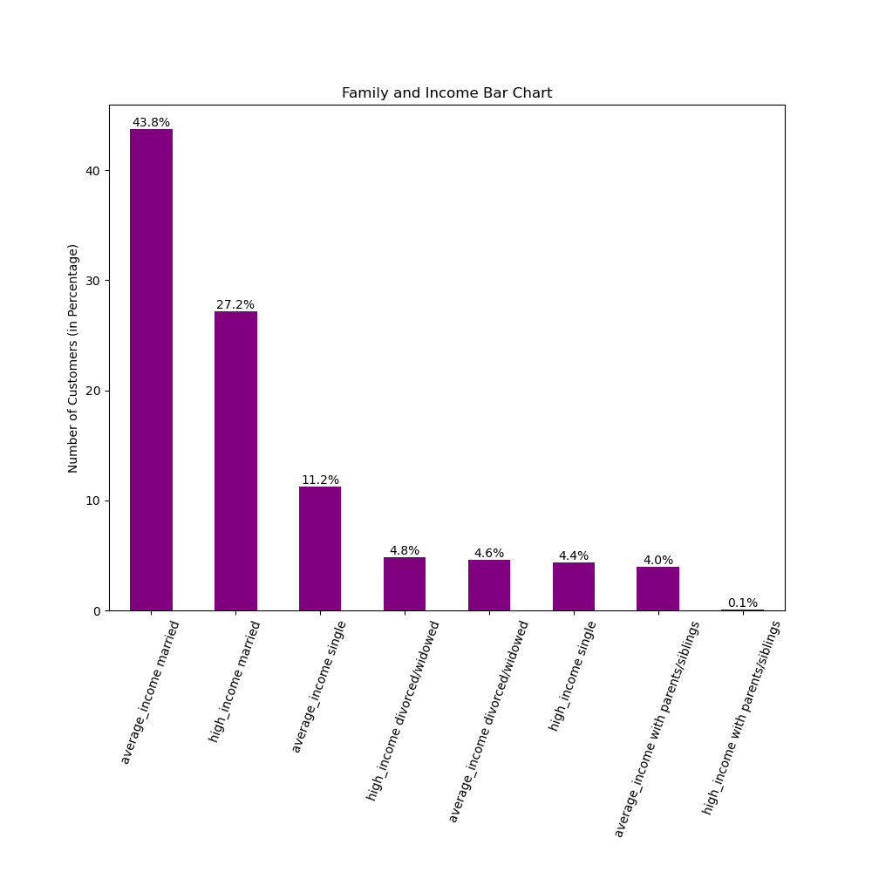

 |  |  |  |  |  |  | Married average and high income customers make up 71% of the total number of our customers.
 |  |  |  |  |  |  | Customers who live with their parents and siblings make up only 4.1% of our total customer base.

